Description
Template for System Analysis

Authors:

Baseliyos Jacob, Stéphane Besure, Yoann Guyot

Reviewers:

Reviewers of this document

Date and version:

15/11/2013 – v3 – version for review
20/11/2013 - v4 - added SysML diagrams

Input documents:

• Subset 026, 036, 040

Files to complete this analysis

• SysML model

Description

ETCS trainborne equipment can receive ETCS information from Eurobalise, Euroloop or GSM-R depending on ETCS level implemented on a given infrastucture. This function manages the decoding of Eurobalise telegrams, Euroloop messages and Euroradio messages and provide packets and associated variables to the application.
At implementation level, the interactions of the « filter information from ERTMS trackside » function with the other macro functions of ETCS kernel are represented in the Internal Block Diagram shown below.
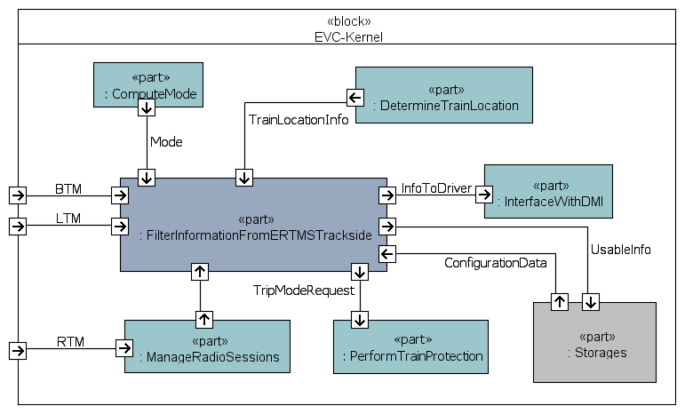

Design choices

Current implementation focuses on ETCS L1 with Eurobalises and ETCS L2 with Euroaradio.
Messages coming from Euroloop or from radio-infill units are not analysed in this document version.

Functions
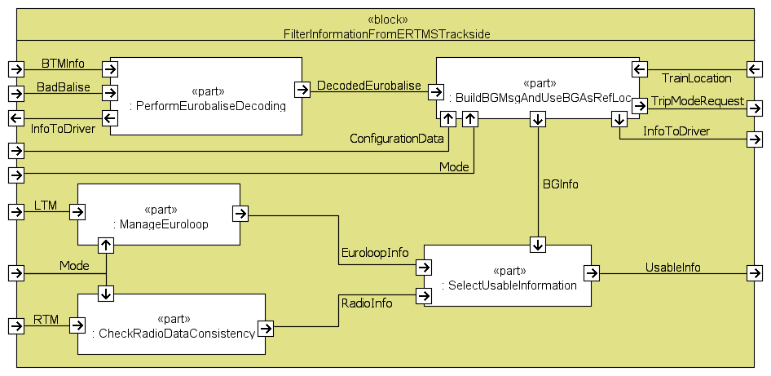
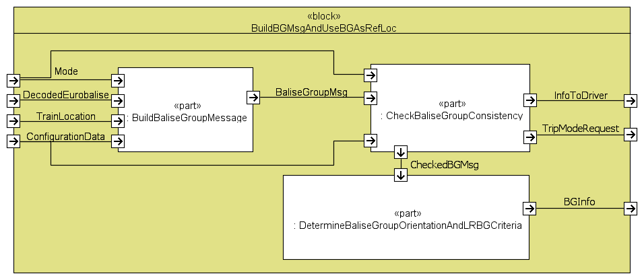
Number | Name | Parent | Allocation | Input | Output | Internal | Requirement | Source | Safety | Definition
Integer | T_Text | T_Function | T_System | T_Variable | T_Variable | T_Variable | T_Requirement |  | Boolean | T_Definition
 |  |  |  | (optional) | (optional) | (optional) | (optional)
 | Receive Eurobalise telegram |  | BTM | Coded_telegram_from_eurobalise |  |  | Coding strategy | subset-036 |  | (BTM function)
 | WRITE_BTM_INFO |  | (Kernel) |  | BTM_INFO |  | 210 useful bits for the short format 830 useful bits for the long format | [036-4.3.2.2] |  | (kernel basic SW function)
 | BAD_BALISE received |  | (Kernel) |  | BAD_BALISE |  |  |  |  | (kernel basic SW function)

1 | Perform Eurobalise decoding |  | Kernel | BTM_INFO | Telegram_from_eurobalise |  |  |  | 1 | This function shall decode any telegram which is received from an eurobalise to extract useful bits
 |  |  |  | BAD_BALISE |  |  | The reasons for which a telegram shall be considered as not correctly coded are the following : (a) a CRC error is detected
 |  |  |  |  |  |  | (b) at least one variable of the telegram has a spare value, an invalid value or an undefined value | 3.16.1.1
 |  |  |  |  |  |  | (c) the effective length of at least a packet of the telegram is not equal to the length indicated in the header of the packet (L_PACKET)
 |  |  |  |  |  |  | d) There is a packet not authorised for the media
 |  |  |  |  |  |  | (e) the "end of information" packet 255 has not been received
. |  |  |  |  | Info_to_driver |  | In case the function cannot decode the coded telegram then the function shall provide no output, but an error text message shall be displayed to the driver ("Trackside not compatible") | 4.7.2
 | READ_MMI_MESSAGE |  | (Kernel) | Info_to_driver | MMI_MESSAGE |  |  |  |  | (kernel basic SW function)
2 | Build balise group message |  | Kernel | DecodedEurobalise | Balise_group_message |  |  |  | 1 | This function builds a bg message by putting together all telegrams coming from balises of a same bg.
 |  |  |  |  |  |  | The function shall build a bg message with telegrams received from a bg once all telegrams are received.
 |  |  |  | mode |  |  | This shall be performed in all modes except NP, IS and SF (mode).
 |  |  |  |  |  |  | The function shall consider that all telegrams from a bg have been received, and consequently shall stop the building of the message, when at least one of the following conditions is fulfilled: (a) The balises at the extremity of the bg have been both detected, i.e. the balise with N_PIG = 0 and the balise with N_PIG = N_TOTAL.
 |  |  |  | train_location_info, configuration data |  |  | (b) A given distance has been covered since the first encountered balise of the bg | subset-040 4.1.1.2
 |  |  |  |  |  |  | (c) The identity of the bg given in the last received telegram is not the same as the one of the previously received telegram
3 | Check balise group consistency |  | Kernel | Balise_group_message |  |  |  |  | 1 | A bg message is considered as consistent if several criterias are fulfilled. The function checks if the criterias are fulfilled, and applies the appropriate reactions in case some criterias are not fulfilled.
 |  |  |  | configuration_data |  |  | 1st check : “ERTMS language version” Criteria : The function shall check if the ERTMS language version of each telegram of the bg message (M_VERSION) is compatible with the versions supported by the onboard. | 3.17.3.3
 |  |  |  | mode |  |  | This check shall be performed in all modes, except NP, SF, IS.
 |  |  |  |  |  |  | If the version of all the telegrams of the bg message is compatible, then the bg message shall be accepted at this stage | 3.17.3.1
 |  |  |  |  |  |  | Particular case: If the version number of a balise group is 0, then the balise group shall be ignored, without other onboard reaction | 3.17.3.5 a)
 |  |  |  |  | trip_mode_request, info_to_driver |  | If the version of a least one telegram of the bg message is not compatible: (a) If level is 1,2 or 3 then the function shall request a train trip, and shall inform the driver that a wrong version has been received from bg ("balise version not compatible"). The function shall reject the inconsistent bg message | 3.17.3.5 d)
 |  |  |  |  |  |  | (b) If level is 0 or NTC, then the function shall reject the inconsistent bg message, but no other reaction shall apply –no request of train trip, no driver display-. | 3.17.3.5 e)
 |  |  |  |  |  |  | 2nd check : “BG message consistency” Criteria : The function shall check that the bg message is complete, i.e. no missed telegram/balise (thanks to N_PIG and N_TOTAL), and that all the telegrams fit to the same bg message (M_MCOUNT). | 3.16.2.4.1 3.16.2.5.1
 |  |  |  |  |  |  | The 2nd check shall be performed in all modes, except NP, SF, IS.
 |  |  |  |  |  |  | If the message is complete and all the telegrams fit to the same bg message, then the bg message shall be accepted at this stage.
 |  |  |  |  |  |  | If the message is not complete then a given reaction shall apply, depending on the fact that the bg is marked as linked or not, as follows:
 |  |  |  |  |  |  | If the bg is marked as linked –i.e. all detected balises of the bg are marked as linked- (Q_LINK=1), the “linked bg message consistency” shall apply: | 3.16.2.4.1
 |  |  |  |  |  |  | (a) the function shall reject the bg message and | 3.16.2.4.1
 |  |  |  |  | trip_mode_request, SB_request_for_bg_inconsistency |  | (b) the function shall apply the reaction given in the linking information. This reaction can be a trip request or a service brake request until standstill or no reaction at all. | 3.16.2.4.1
 |  |  |  |  | SB_request_for_bg_inconsistency |  | c) If no linking information is available onboard and only if none of the other balises of the group contains the information 145 “Inhibition of balise group message consistency reaction” coherent for the detected orientation of the BG (in this case the SB is inhibited), the function shall: • request a SB application and | 3.16.2.4.4 3.16.2.4.4.1 b)
 |  |  |  |  | train_location_info, location_to_shorten_track_info |  | • trigger the shortening of the track info to the current position of the train when the train has reached standstill and | 3.16.2.4.4.2
 |  |  |  |  | info_to_driver |  | • inform the driver about the consistency problem | 3.16.2.4.4.3
 |  |  |  |  |  |  | If the bg is marked as unlinked –i.e. at least one balise of the bg is marked as unlinked- (Q_LINK=0), the “unlinked bg message consistency” shall apply: | 3.16.2.5.1
 |  |  |  |  |  |  | (a) the function shall reject the bg message and | 3.16.2.5.1
 |  |  |  |  | SB_request_for_bg_inconsistency |  | (b) and only if none of the other balises of the group contains the information 145 “Inhibition of balise group message consistency reaction” coherent for the detected orientation of the BG (in this case the SB is inhibited), the function shall : • request a SB application and | 3.16.2.5.1 3.16.2.5.1.1 b)
 |  |  |  |  | train_location_info, location_to_shorten_track_info |  | • trigger the shortening of the track info to the current position of the train when the train has reached standstill and | 3.16.2.5.2
 |  |  |  |  | info_to_driver |  | • inform the driver about the consistency problem | 3.16.2.5.3

4 | Determine balise group orientation and LRBG criteria |  | Kernel |  |  |  |  |  | 1 | This function determines some data about the orientation of the bg –i.e. the orientation of the bg, the location where the bg is detected, , etc…- and stores this data as LRBG data if given conditions are fulfilled.

5 | Perform Euroloop decoding |  | Kernel |  |  |  |  |  |  | Not relevant

6 | Check loop consistency |  | Kernel |  |  |  |  |  |  | Not relevant

7 | Manage EOLM information |  | Kernel |  |  |  |  |  |  | Not relevant

8 | Check radio data consistency |  | Kernel | Radio_message |  |  |  |  | 1 | Information received from euroradio is considered as consistent if several criteria are fulfilled. The function checks if the criterias are fulfilled, and applies the appropriate reactions in case some criterias are not fulfilled.
 |  |  |  |  |  |  | 1st check : Correct decoding. The function shall check if the message has been correctly decoded by the “Manage_radio_sessions” function (decoding_error) and if the variables have no invalid values –e.g. check if the identity of the LRBG given in the radio message is known onboard
 |  |  |  |  | error_message |  | In case the 1st check is wrong, the message shall be rejected and the RBC shall be informed about the “message consistency error”. Otherwise, the radio message shall be accepted at this stage.
 |  |  |  |  |  |  | 2nd check : message sequence. The function shall supervise the sequence of the messages reception, based on their time stamp | 3.16.3.3
 |  |  |  |  |  |  | The 2nd check shall not be performed on emergency stop messages. | 3.16.3.3.3.1
 |  |  |  |  |  |  | In case an error is detected in the sequence –i.e. if the time stamp of the last received message is lower than or equal to the former one, or if the time stamp of the last received message is set to unknown-, then : (a) the message shall be rejected (b) and the RBC shall be informed about the “sequence error”. (c) the driver shall be informed about the sequence error. | 3.16.3.3.3
 |  |  |  |  |  |  | Particular case for 2nd check : if at the initiation of the communication session, the time stamp of the received message is set to unknown, the message shall anyway be accepted if it is the "initiation of communication session" message | 3.16.3.3.4
 |  |  |  |  |  |  | 3rd check : radio link. The function shall supervise the radio link, except if the train is inside an announced radio hole. To determine if the train is inside a radio hole for the supervision of the radio link, the function uses the train max safe front end location for the entry and the rear end location for the exit of the radio hole | 3.16.3.4
 |  |  |  | mode |  |  | The 3rd check shall be performed in FS, LS and OS modes | 4.5.2
 |  |  |  | national_values |  |  | The 3rd check shall consist in checking that the difference between the time stamp of the latest valid received message and the current onboard time is lower than a given national value T_NVCONTACT | 3.16.3.4.1

9 | Select usable information |  | Kernel |  |  |  |  |  | 1 | This function shall select among received messages the usable ones. This selection shall be performed according to the following criteria: train orientation, mode, level and onboard LRBGs.

